CBA cycle
Choosing By Advantages

Introduction
Choosing By Advantages is a lean tool that provides a structured approach to decision making
The 7 step approach encourages the team to think about the advantages of different options and then apply a weighting to them
The cost of the option is deliberately left until last so as not to bias a decision. In most cases the option with the most advantages will be the cheapest whole life cycle cost

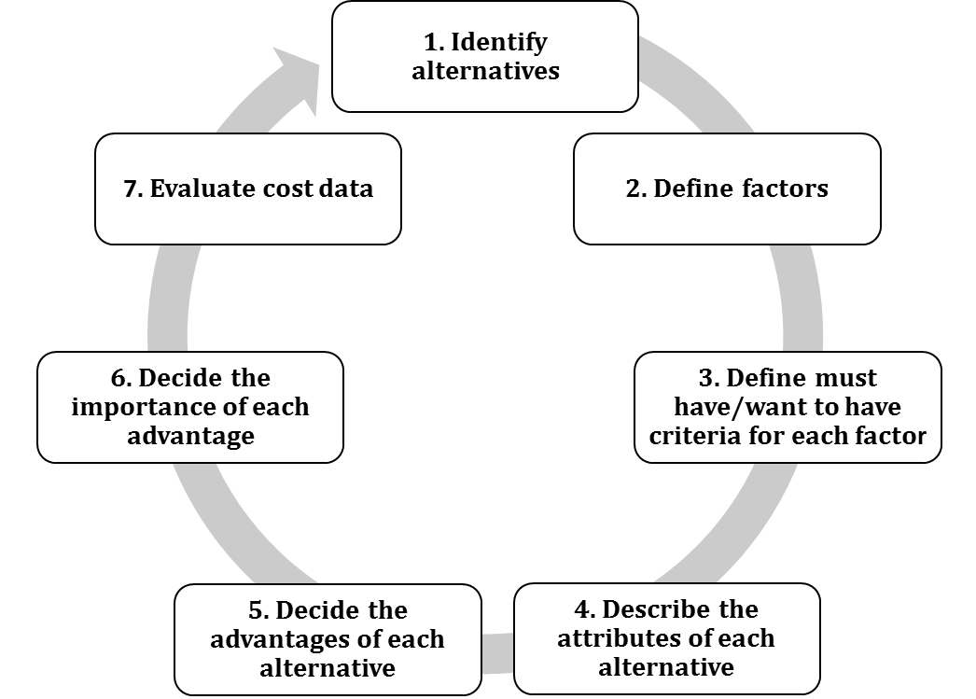

Choosing By Advantages

 | Scale of Importance
Step 1: Define the alternatives – What are the choices?
Step 2: Define Factors – What are the things that we should measure/ compare against | 100
Step 3: Define Criteria – What is better eg high or low? | 90
Step 4: Describe the attributes of each alternative – Quantitative & Qualitative specifications | 80
Step 5: Decide the advantages of each alternative. Underline the weakest attribute. | 70
Note which alternative has the advantage | 60
Step 6: Agree a Scale of Importance – populate table below for factors in order of priority: | 50
100 highest ranked down to 0. | 40
Step 6: Decide on the Importance of the advantages - Add importance numbers and total up. | 30
Step 7: Evaluate the Cost – Finally compare the whole life cycle costs of the alternatives | 20
 | 10
 | 0

Earthworks CBA
BAM Nuttall - RDP A38 Derby Junctions
Little Eaton Earthworks - Choosing by Advantages

 | 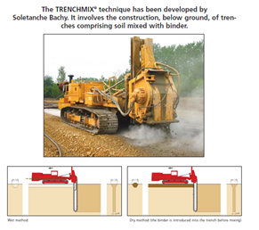 | 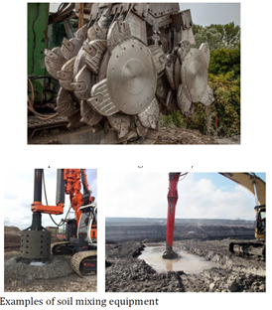 | 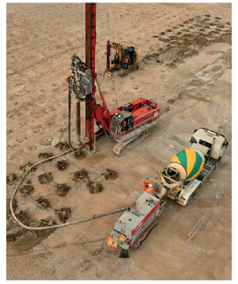 | 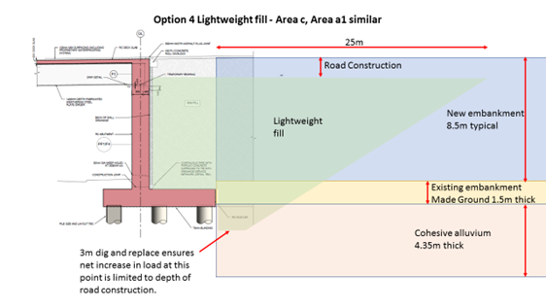
 | 1. Deep Soil Mixing By Trenching | 2. Deep Soil Mixing Columns | 3. Controlled Modulus Columns | 4. Lightweight Fill (Expanded Clay Pellets | Notes

Programme: Shorter duration the better | 36 Weeks | 16 Weeks + 5 weeks | 9 weeks + 1 month surcharge (13 weeks) | 4 weeks Extra time required for Pre excavation 3 weeks for TW |  | 1. Programme durations are from supply chain quotations 2. Deep soil mix columns - Additional time reflects installation of temporary works and excavation to commencement level. This includes area a1 (sheet piles 5m high x 35m plan length) and assumes area b,c and d are open cut. 16000m3 excavation and replace in total, with all arisings going for re-use on site. 3. Lightweight fill dig and replace is more localised, though requires more sheet piling, area a (4.5m deep x 35m plan length) and area c/d 3.7m deep x 110m with a total of 10,164m3 being excavated and replaced with lightweight fill | Scale of Importance | Factors
 |  | Extra time required for temporary works and pre- excavation
 | 0 | 20 | 50 | 100 |  |  | 100 | Programme
Safety: Safer the better, less time on site, equipment used | Grout/Cement | Traffic interface TW | Less hours on site | Traffic interface TW |  | 1. Options 2 and 4 - the requirement for temporary works and deep excavations adjacent to live slip roads is most significant hazard. The additional work associated with this excavation and replace also presents additional hazard to the workforce 2. perceive there would be a debris risk from running trencher close to live carriageway (soil picked up by trencher 3. Grout/cement dust hazard identified with all cement operations | 90 | Safety
 | Debris risk | Grout/Cement | Grout/Cement |  |  |  | 80 | Practicality
 | 30 | 0 | 90 | 60 |  |  | 70 | Customer
Practicality: Simpler the better (TW, Complexity) | Working Platform | Working area bigger, Setting up time. | Flexible working area most versatile | Requires tracking for compaction |  | 1. Option 1 trenching requires the machine to be set up for each trench and work as long a line as possible - requires multiple set up. 2.Option 2 - the requirement to excavate over-burden is a big negative - significant volumes and extensive temporary works required 3. Option 3 requires minimal equipment and temporary works 4. Option requires deep excavations adjacent to live traffic - significantly negative issue 5. Lightweight fill would require circa 1.5m overlay (requiring deeper excavation and replace) to accommodate drainage and post fixings 6. Soil mixing requires advance testing (sampling and mixing) 7. Reinforced soil walls in lightweight fill may require pull out tests for straps 8 Option 3, CMC would require some surcharge behind abutment for around 1 month - this needs to be taken in to account in design of bridge and stability of walls, could be stockpiled sub base or similar. | 60 | Material
 | Less Versatile | Needs a working platform | Granular layer required | Detailing issues (Posts, Drainage) |  |  | 50 | Resettlement
 |  | TW required adj to slip roads Sheet piling | surcharge of suitable fill | TW required adj to slip roads Sheet Piling less than DSMC |  |  | 40
 |  | 50m3 water a day |  | Requires working platform |  |  | 30 | Environment Water
 |  |  |  | Storage for fill |  |  | 20 | mobilisation
 |  |  |  | Excavation issue |  |  | 10 | Departures from standard
 | 40 | 0 | 80 | 20 |  |  | 0
Customer: The less disruption the better | 100 wagons | Dig and replace requiring traffic on and off the roundabout 2000 wagons | 100 wagons | Dig and replace requiring traffic on and off the roundabout 990 wagons |  | 1. Option 1 requires cement deliveries and water - assume circa 100 movements 2. Option 2 soil mix columns requires dig and replace of 15387 m3 of which 8500 is on the roundabout, 2125 wagon movements 3. Option 3 CMC requires concrete delivery, say 0.62m3 per CMC. 1066 No. on roundabout so 6m3 /load is 107 wagons 4. Option 4 - requires dig and replace of 10164m3 in total, of which 5042 is on the roundabout. Say 8m3/wagon gives 660 off the roundabout and say 330 on delivering lightweight fill. 5. Installation of temp works would require lane closures for options 2 and 4
 | Customer distraction | TW Disruption | Slight distraction | TW Disruption
 | 50 | 0 | 70 | 30
Mobilisation: fewer mobilisation the better | Higher effort | Higher effort | multiple suppliers | No mobilisation |  | 1. Options 1 and 2 require more plant than option 3 2. Option 3 can be installed by a greater number of suppliers 3. option 4 lightweight fill likely to require import to UK - supply less certain
 | limited amount of companies provide the equipment
 | 10 | 10 | 20 | 20
Departures from standard: Less is better | 10 | 10 | 10 | 1 required, possibly 2. |  | 1. Expected departures would be relatively acceptable to HE

Interaction with Culvert behind B15 East abutment: Least interaction the better |  |  |  |  |  | 1. Each option would either undermine or affect the existing culvert - no differentiator.

Residual settlement: less is better | Very little - 28 days curing time | Very little 28 days curing time | 25mm is minimum commitment from supplier - requires surcharge to reduce further |  |  | 1. Options 1 and 2 should result in virtually no long term settlement with the treated depth 2. option 3 CMC (with band drains) will require a settlement period and potentially 1 month surcharge over 10m length behind abutment 3. Lightweight fill considered highest risk due to variability in overlaying material and fil densities, water ingress etc which could affect the balance. the underlaying soil is not treated or compacted. 4. Option 3 requires geogrid to ensure lateral stability of reinforced soil walls. Soil mixing would give a more robust solution although each option can be addressed in design. Lightweight fill is largest risk.
 | Low risk of long term settlement | Low risk of long term settlement | More risk of long term settlement than soil mix options | Highest risk of long term settlements
 | 1 Lateral stability | 2 Lateral stability | 3 Lateral stability | 4 Lateral stability
 | 50 | 50 | 30 | 0
Availability of materials: Readily available the better | Rig availability |  |  | Supply chain dependant |  | 1. Option 1,2,3 rely on readily available materials 2. Option 1 equipment is limited to one supplier 3. Option 4 - materials could be subjected to low availability - potentially imported to UK
 | 30 | 60 | 60 | 30
Environmental: The less the better(noise, water) |  | Noise from Vehicle movement |  | Noise from Vehicle movement |  | 1. Options requiring excavation have increased wagon movements - noise, carbon increase 2. Options with dig and replace could encounter groundwater requiring pumping and disposal with risk of silts/pollution
 |  | Water issue, dewatering will be required in the winter months |  | Water issue, dewatering will be required in the winter months
 | 30 |  | 30
 | 250 | 150 | 440 | 260

 |  |  |  |  |  | Additional points 1. Design of CMC will require engagement with supply chain as empirical methods are used 2. Settlement analysis and interfaces between areas of treatment is to be addressed in detailed design. Total settlement assessment is required. 3. Aim would be to reduce ground treatment areas - particularly at wall 13 and rely on basal layers for lateral support.

